Sheet1
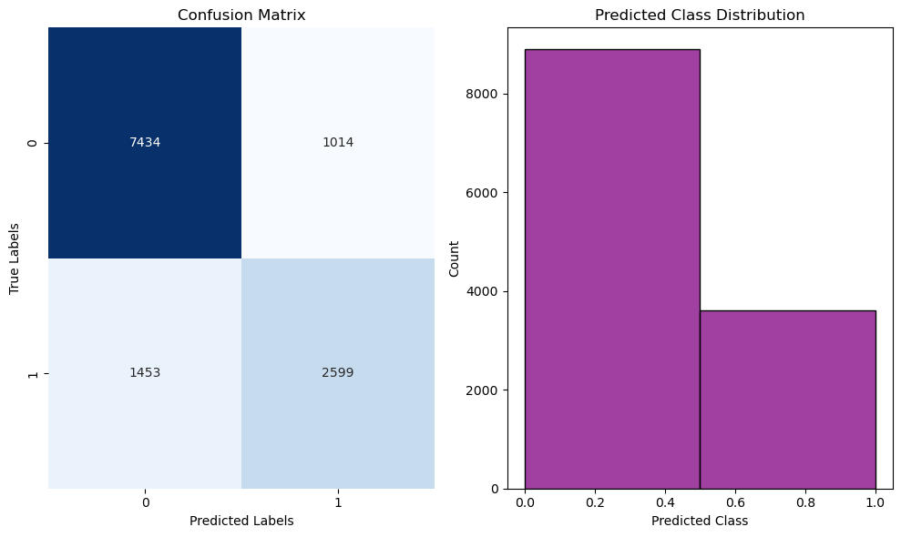
Predictions : Fraud Detection(keeping risk_score and failed_transaction column)

Distance based algos |  |  | Tree based algos | ANN and NB

Logistic Regression | SVC | KNN

Accuracy score : 0.80264 Confusion matrix : [[7434 1014] [1453 2599]] precision recall f1-score support 0 0.84 0.88 0.86 8448 1 0.72 0.64 0.68 4052 accuracy 0.80 12500 macro avg 0.78 0.76 0.77 12500 weighted avg 0.80 0.80 0.80 12500

